Power Interest Grid outline
POWER INTEREST GRID OUTLINE AND EXPLANATION
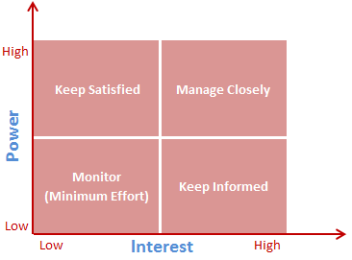

 |  | Note:
 |  | The Power axis represents how much influence stakeholder groups have over the project.
 |  | The Interest axis represents how much interest stakeholders have in the project.

The above figure¹ adapted for this course outlines the different approach project leaders should use for the segregated/prioritized stakeholders based on how they are plotted in the grid. These approaches are explained below.

Category | Management approach
High Power - High Interest | Manage stakeholder expectations closely. Stakeholders in this group are decision makers and have the biggest impact on project success.
High Power - Low Interest | Keep stakeholders satisfied and in the loop. Dissatification can negatively impact project process and outomes. Use caution.
Low Power - High Interest | Keep stakeholders adequately informed. Open communication with these stakeholders can ensure no major project issues are arising. Often helpful with the details of the project and support.
Low Power - Low Interest | Actively monitor stakeholders. Avoid excessive communication, but keep them in the loop.

¹Thamma, L. (2023, April 14). Stakeholder Analysis using the Power Interest Grid. Retrived from
https://www.projectmanagement.com/wikis/368897/stakeholder-analysis--using-the-power-interest-grid#_=_

